Collection
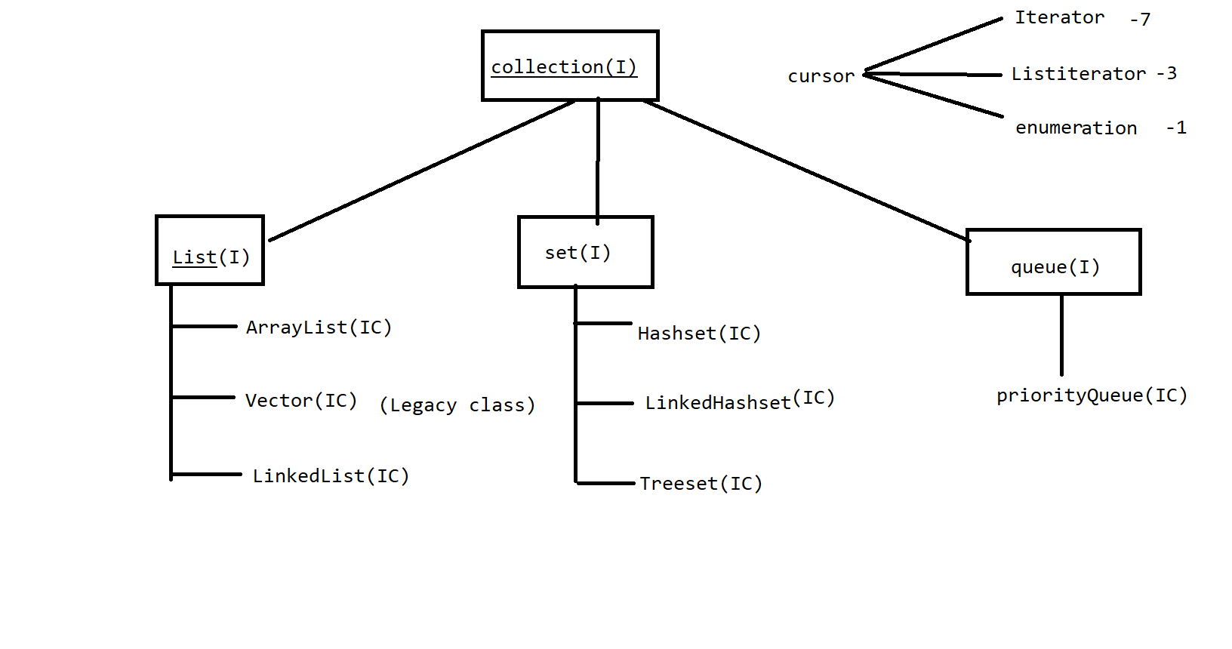
 | Collection (Interface) [Note:- Collection is an Iterface And Collectios is an Class]

 | List :--> 1. duplicate are allowed in Arraylist 2. allows any no of null values 3. storage type: index 4. order of insertion-maintain |  |  | Set :--> 1. doesn't allow duplicate 2. allow only 1 null value(except treeset) 3. order of insertion-random/asscending/maintain insertion 4. storage type- hashtable
 | ArrayList(IC) | Vector(IC) | LinkedList(IC) | Hashset(IC) | LinkedHashset(IC) | Treeset(IC)
1 | Supports :- 1) For Loop 2) For Each 3) Iterator 4) ListIterator | Supports :- 1) For Loop, 2) For Each, 3) Iterator, 4) ListIterator, 5) Enumration | Supports :- 1) For Loop 2) For Each 3) Iterator 4) ListIterator | Supports :- 1) For Each . 2) Iterator | Supports :- 1) For Each . 2) Iterator | Supports :- 1) For Each . 2) Iterator

2 | Supports Methods :- All Methods support in all this class, Few some extra method are support only LinkedList Class |  |  | get() method can't applicable for Set interface, so that we can not able to use 'For Loop' and ListIterator applicable only for list interface type impl classes
3 | Extrs Mtd not support | Extrs Mtd not support | Extrs Mtd support only LL :- peek(), peekFirst(), peekLast(), poll(), pollFirst(), pollLast() | All Methods are common
4 | Properties of ArrayList | Properties of Vector | Properties of LinkedList | Properties of Hashset(IC) | Properties of LinkedHashset(IC) | Properties of Treeset(IC)
 | 1. duplicate are allowed in Arraylist 2. allows any no of null values 3. storage type: index 4. order of insertion-maintain 5. Default capacity for arraylist is 10 6. data structure: Resizable 7. Incremental capacity= (current capacity*3/2)+1=10*1.5+1=16→16*1.5+1=25→ 8. best choice: retrieval operation (random access interface is implemented in arraylist & vector) 9. worst choice: manipulation operation i.e. insertion in between arraylist or delete () 10. storage type: index | 1. duplicate are allowed in vector 2. allows any no of null values 3. storage type: index 4. order of insertion-maintain 5. Default capacity for Vector is 10 *6. data structure: doubly *7. Incremental capacity= current capacity*2 8. best choice: retrieval operation (random access interface is implemented in arraylist & vector) 9. worst choice: manipulation operation i.e. insertion in between Vector or delete () *10. Vector is legacy class. | 1. duplicate are allowed in LinkeList 2. allows any no of null values 3. order of insertion-maintain 4. storage type: index * 5. no Default capacity in linkedlist *6. data structure: linear *7. best choice: manipulation operation i.e. insertion in between linkedlist or delete() *8. worst choice: retrival operation (random access interface is not implemented) | 1. Doesn't allow duplicate values 2. Allow only 1 null value. *3. order of insertion-random insertion 4. storage type: hashtable 5. no default capacity 6. DS: Hashtable 7.best choice: To remove duplicate elements when order of insertion is not mandatory. | 1. Doesn't allow duplicate values 2. Allow only 1 null value. *3. order of insertion-maintained 4. no default capacity *5. DS: Hybrid (liner+ hashtable) 6. storage type: hashtable 7.best choice: To remove duplicate elements when order of insertion is mandatory | 1. doesn't allow duplicate *2. null values: not allowed// NullPointerException *3. order of insertion- Asscending order. 4. no default capacity. 5. DS: Balanced tree 6. storage type: hashtable 7.best choice: To remove duplicate elements when order of insertion is mandatory Note: we can store only homogeneous data
5 | Uncommon Property |  |  | Uncommon Property
 | 1)IC=[current capacity*3/2] 2)data structure: Resizable 3)Default capacity for arraylist is 10 4) It is not legacy class. 5)best choice: retrieval operation 6)worst choice: manipulation operation | 1)IC= [current capacity*2] 2)data structure: doubly 3)Default capacity for Vector is 10 4)Vector is legacy class. 5)best choice: retrieval operation 6)worst choice: manipulation operation | 1) no Default capacity in linkedlist 2) data structure: linear 3) best choice: manipulation operation 4)worst choice: retrival operation | 1. order of insertion-random insertion 2. DS: Hashtable 3.best choice: when order of insertion is not mandatory. | 1. order of insertion-maintained 2. DS: Hybrid (liner+ hashtable) 3.best choice : when order of insertion is mandatory | 1. order of insertion- Asscending order. 2. DS: Balanced tree 3.Best choice : when order of insertion is mandatory

